PRD
Product Requirement Document (PRD) - Version: 1.0

Template Name |  | JOB PORTAL
Goals & Objective
Client Information
Product Type |  | Web Application
Domain |  | Web2
Access Layers |  | Admin
Design Required |  | Yes

Phase | Item No | Specification [Role] | Screen Definition | User Story | Acceptance Criteria | UI Screen / Wireframe | Tags
Feature: 1 |  | Auth Feature
phase 1 | 1 | Signup [Miner] [User] | <Form> <input=name> <input=email> <input=gender> <input=dob> <input=password> <input=re-password> <input=user-type> <button=signup> <link=signin> | - Enter Full name (input) - Enter unregistered email (input) - Enter password (input) [Logic: At least 8 characters long, atleast one special character] - Enter password again (input) [Logic: should match password input] - Choose user type [user,miner] - Click Signup (button) [Logic: If the email is unique, user will be registered to the sysmem (databse)] - Signin (link) [Logic: redirect user to Login page] | - Email (input) field should only accept valid unregistered email address as input, otherwise will show an 'email already used' message. - Password (input) should be minimum 8 characters long. Otherwise show an invalid message. - Re-password (input) should match password. Otherwise show 'password do not match' message. - User type must be selected. Otherwise show 'Please select a user type'. - On clicking signup button, credential will be stored in database, user will be redirected to his dashboard. - A copy of the login information will be sent to his email. | 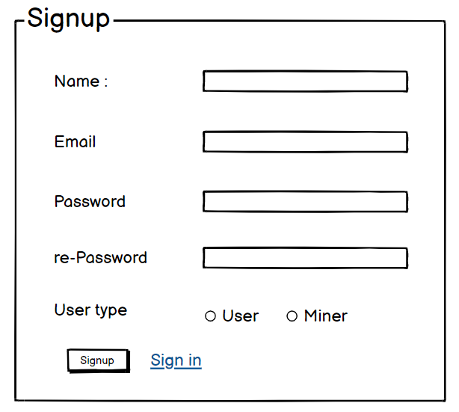 | signup
phase 1 | 2 | Signin [Miner] [User] | <Form> <input=email> <input=password> <option=remember me> <button=signin> <link=signup> <link=forgot password> | - Enter Email (input) - Enter password (input) - signin (button) - signup (link) - forgot password (link) | - Email must match database email - password must match database password - User go to dashboard (if email & password match with database) - User is promt with an error. "Email or password does not match!". (if email & password match with database) - clicking signup should take user to signup page - clicking forgot password should take him to forgot password page |  | signin
phase 1 | 3 | Forgot password[Miner] [User] | <Form> <input=email> <button=send code> <input=code> <input=password> <input=confirm Password> <button=submit> | - Enter email (input) - Press send code (button) - Enter new password (input) - Re-type new password (input) - click on change passowrd to update password (button) | - email must match DB email or promt "No email found!" - pressing send code will print a message "code sent!" and the code can be found at user info row. - enter new password [At least 8 characters long, atleast one special character] - re-type new password [it should match new password] - clicking submit button will show user -> "password changed" if all info match criteria or it'll indicate what's wrong |  | forgot_password
Feature: 2 |  | Dashboard
phase 1 | 4 | Menu [ADMIN] | <order list>DASHBOARD USERS COMPANIES JOB STATS MAILS APPLICATIONS NEWLETTER ACTIONS PRIVACY POLICY | - DASHBOARD(link) - USERS(link) - COMPANIES (link) - JOB STATS (link) - MAILS(link) - APPLICATIONS(link) - NEWSLETTER(link) - ACTIONS(link) -PRIVACY POLICY(link) | - clicking dashboard will take admin to dashboard page -clicking users will take to user page -go to companies on click -go to job stats on click -go to mails on click -go to applications on click -go to newsletter on click -go to actions on click -go to privacy policy on click |  | Menu
phase 1 | 5 | DASHBOARD | <table> <col=overview> <col=Monthly> <col=Weekly> <col=Today> <table row=1> <col=Total Companies> <col=Total Users> <table row=2> <col=Job Posts> <col=Visitors Info> <table row=3> <col=No of Hirings> | -Admin can view total companies and the increased rate of new companies with graph visualization -Admin can view total users and the increased rate of users with graph visualization -Admin can view total number of job posts and the increase rate of job post with graph visualization -Admin can view the number of hirings done by all the companies and the hiring rate with graph visualization -Admin can view the total visitor’s info .F19 | -the growth rate of companies should be displayed in a graph along with the rate values. - the growth rate of users should be displayed in a graph along with the rate values. -the growth rate of total number of job posts should be displayed in a graph along with the rate values. -the growth rate of total number of hirings should be displayed in a graph along with the rate values. -the total visitor’s info should be displayed in a pie chart.D19 |  | DASHBOARD
 |  | COMPANIES |  | -Admin can search companies by name -Admin can select specific location and find the total companies in that location -Admin can also choose category
phase 1 | 6 | APPLICATIONS | <table> Balance : 100.23 BTC View transaction history (link) Your public key Your private key Your bitcoin address | - Balance (text) - trx history(link) - public key (text) - private key(text) - bitcoin address(text) | - show appropiate Balance ( should not be less than 0) - clicking trx history link will take user to trx history page - public key is shown - private key is only shown when clicked - bitcoin address is shown
Feature: 3 |  | Top bar and Bottom Bar
phase 1 | 7 | Top bar | table row 1 col1 : logo col2 : leave it blank col3 : Logged in as, cseshamim47 | logout | - clicking on logo will take user to dashboard - clicking on logout will logout user - clicking on username will take him to profile page | - logout should erase cookie and user should not be able to go to dashboard without login again | 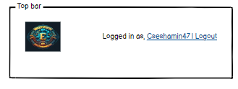
phase 1 | 8 | Bottom Bar | copyright and year | none | none | 
Feature: 4 |  | Send Money
phase 2 | 9 | Send Money[user][miner] | <form> <input = recipient address > <input = Amount> <input = re-type amount> <button = sign with private key> <input = message> <button = submit> | - Enter receipient address (input) - enter amount (input) - re-type amount (input) - click sign with private key(button) - write anything in message (input) - click submit(button) | - User must enter valid receipient address [otherwise prompt an error] - User must enter amount in valid format [negative, 0 or any charater is not allowed. Only numerics starting > 0 is allowed. The amount must be less than or equals to user's current balance] - User must re-type same amount previously mentioned - User must click sign with private key [otherwise promt an error] - User can write anything in the message box if they want - User have to click submit button after everything is set properly [ clicking submit will add the transaction to the mempool] | 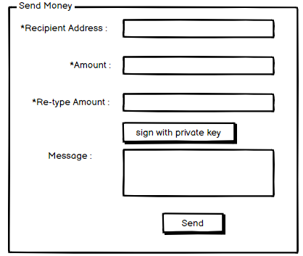
Feature: 5 |  | Public Ledger
phase 2 | 10 | Public Ledger[user][miner] | <table> <col=Transaction id> <col=Time> <col=BTC> | - User can see transactions id, time and transaction amount - User can click on any row to see the details of the transaction [redirect to transaction details page] | - Transaction id, time and transaction amount should be in the list - clicking on any row must redirect transaction details page | 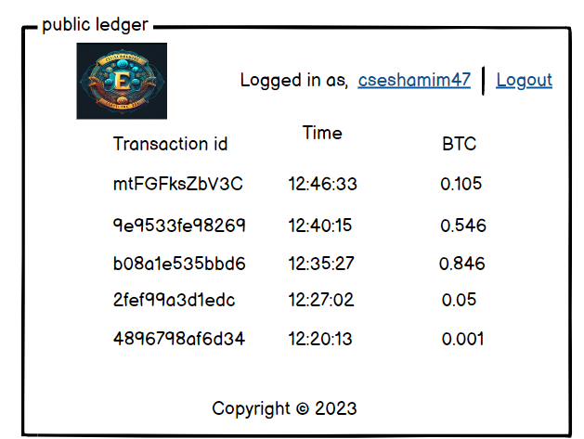
Feature: 6 |  | Block
phase 2 | 11 | Latest Blocks[user][miner] | <table> <col = Block Number> <col = Time> <col = Number of Transactions> <col = Size> <col = miner> | - Block number (text) - Time(text) - Number of trx(text) - size(mb in text) - Miner(name) | - full row is clickable - once clicked it'll redirect to another page [block view page where block details will be shown] - Block number should be in desending order [latest block should be in the top] - Block Size should be in MB - Number of trx should be in number [ negative number not allowed ] - Miner name | 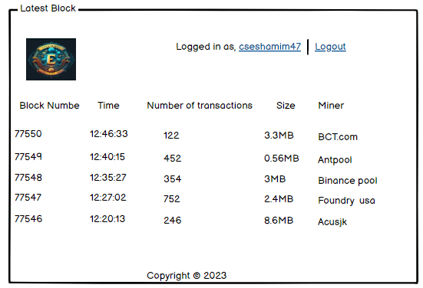
Feature: 7 |  | Mempool
phase 2 | 12 | Mempool[miner] | <table> <col = unconfirmed trx id> <col = trx fee> <col = add button> <table> <row> <col = added unconfirmed trx id> <col = trx fee> <col = remove trx> <row> <col = number of trx> <col = total fee> <col = go button> | - unconfirmed trx ids (text) - trx fee (in btc) - click add button(button) - number of added trx(number) - total fees(number) - go(button) | - add button must add the corrosponding transaction [after clicking add button, the row should disspear from the list and added to the block] - the trx list should be in decending order by the fee. [maximum fee transaction should appear on top] - total number of trx added should appear in the bottom of demo block - total fees of added trx - go button should take miner to mine block page. | 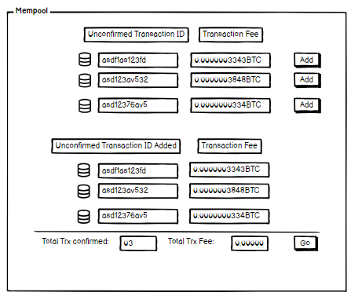
Feature: 8 |  | Mine Blocks
Feature: 9 |  | Verify Blocks
Feature: 10 |  | Profile
Feature: 11 |  | Transaction details
Feature: 12 |  | Block details
Feature: 13 |  | Notification
Feature: 14 |  | Fllowed User
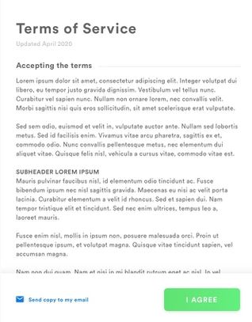
Feature: 15 |  | Legal Agreement Feature
Feature: 16 |  | Transaction History
Feature: 17 |  | About
Feature: 18 |  | Learning Portal
Feature: 19 |  | Deposit
Feature: 20 |  | FAQ
Feature: 21 |  | Currency Converstion
Feature: 22 |  | Request Bitcoin
Feature: 22 |  | Bill Payment

